Table 5
Chart 2
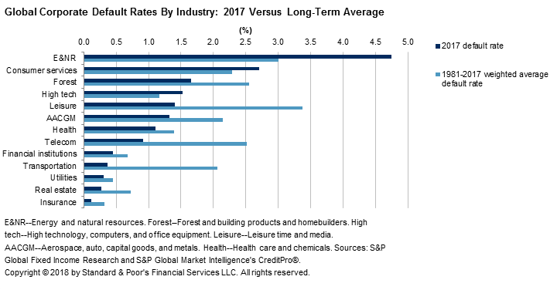
The Gini ratio is a measure of the rank-ordering power of ratings over a given time horizon, from one through seven years (see chart 3). It shows the ratio of actual rank-ordering performance to theoretically perfect rank ordering. Consistent with the declining number of defaults in 2017, the one-year Gini ratio rose to 92.7 in 2017 from 86.4 in 2016. As with many of the headline statistics in this study, this was the Gini's highest level since 2014 (see chart 30 and table 2). (For details on
the Gini methodology, refer to Appendix II.)

Table 13
Chart 5
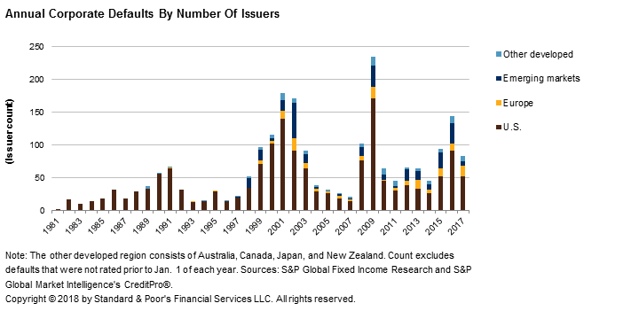
Chart 6

Table 16
Chart 7
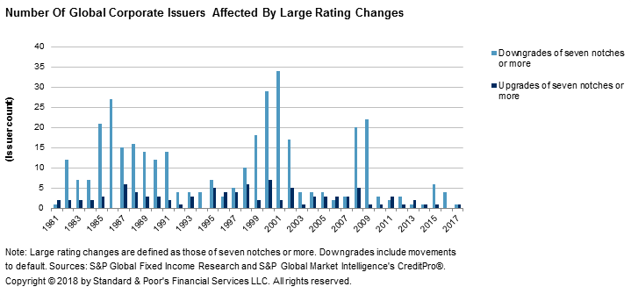
Consistent with the higher stability rate and diminished number of large rating actions in 2017, the annual average number of notches for ratings changes declined as well (see chart 8). At the end of 2017, the average number of notches for upgrades was 1.14 (compared with 1.16 in 2016),
and the average number of notches for downgrades was 1.36 (1.56 in 2016).
Chart 8

Table 20
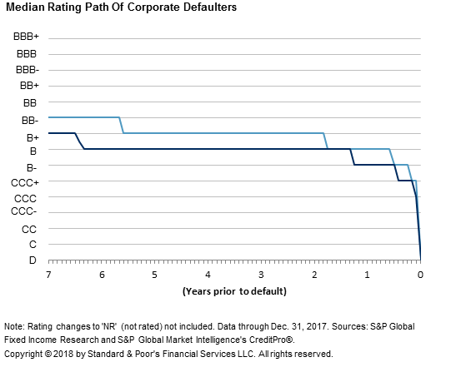
Chart 10

Table 21
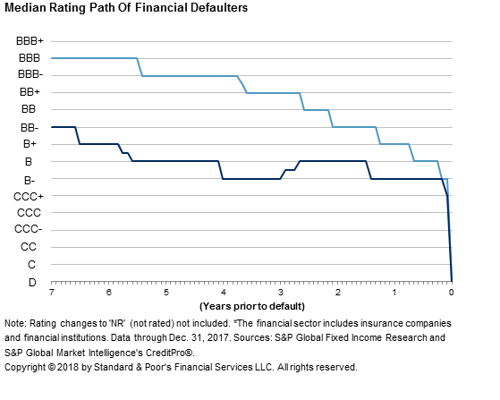
Chart 11

Table 22
Chart 12
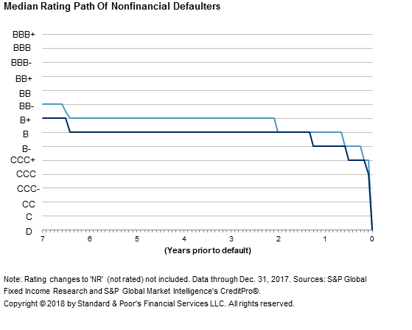
Some issuers default after S&P Global Ratings no longer rates them. We make our best effort to capture such defaults in the database, and we include an entity in the annual default rate calculations if it was rated as of Jan. 1 in the year of default. If, however, S&P Global Ratings withdrew the rating prior to Jan. 1 of the year of default, we do not include the issuer in the default rate calculation in that year.
Of the 95 defaulted companies in 2017, 14.7% were not rated just prior to default, which is slightly lower than the long-term total of 17.2% (see charts 13A and 13B). Furthermore, although 'NR' (not rated) defaulters are not always captured in the default rate calculations for the year of default, we do capture them in the longer-term cumulative default rate statistics, which are tied back to the year in which defaulters were last rated. All of the defaulters in 2017 that had active ratings immediately prior to default were rated in the lowest rating categories. Specifically, 83.2% were rated 'CCC+' or lower just prior to default, which is much higher than the 67% long-term figure.

Table 23
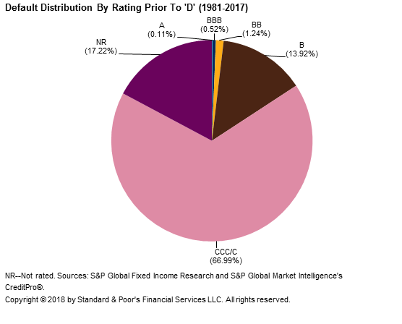
Chart 13A

Table 24
Chart 13B
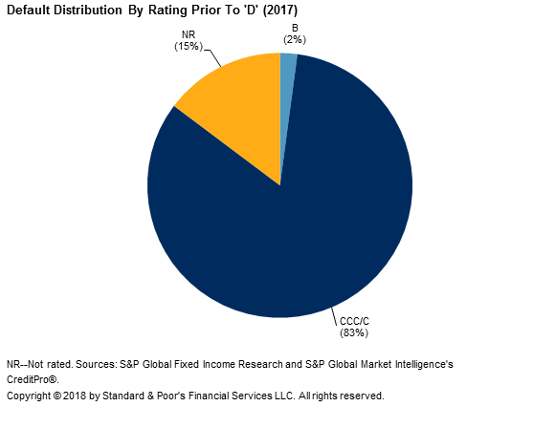
Table 8 provides a list of all the publicly rated companies that defaulted in 2017. For additional
details on the 2017 defaulters, see Appendix III.
Table 8
2017 Global Publicly Rated Corporate Defaults
 |  |  |  | Debt |  | Rating one | Rating three
 | Reason for |  |  | amount outstanding | Default | year prior to | years prior to | First | Date of
Company name | default | Country | Industry | (mil. $) | date | default | default | rating | first rating
Shelf Drilling Holdings Ltd. | Distressed exchange | Cayman Islands | Energy and natural resources | 615.4 | 1/11/2017 | B+ | B+ | B | 12/20/2012
Limited Stores Inc. | Chapter 11 | U.S. | Consumer services | 0.0 | 1/17/2017 | NR | NR | BB- | 12/31/1980
Avaya Inc. | Chapter 11 | U.S. | High tech/computers/office equipment | 5,336.8 | 1/19/2017 | B- | B- | BBB | 9/7/2000
Perpetual Energy Inc. | Distressed exchange | Canada | Energy and natural resources | 240.4 | 1/24/2017 | - | - | CCC | 11/10/2016
Approach Resources Inc. | Distressed exchange | U.S. | Energy and natural resources | 250.0 | 1/27/2017 | B | B | B | 6/3/2013

Table 35
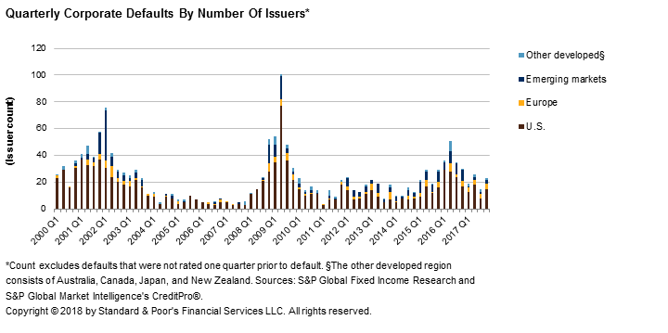
In terms of the amount of affected debt of defaulters, 2017 had much lower totals on a quarterly basis (see chart 15). This decrease was largely attributable to the U.S., as all other major regions had some quarters with higher debt totals relative to 2016. In many cases, a particular year will be punctuated by one or two large defaulters (see table 5), but as in 2016, the main driver of quarterly
debt amounts affected in 2017 was simply the total number of defaults.
Chart 14

Table 36
Chart 15
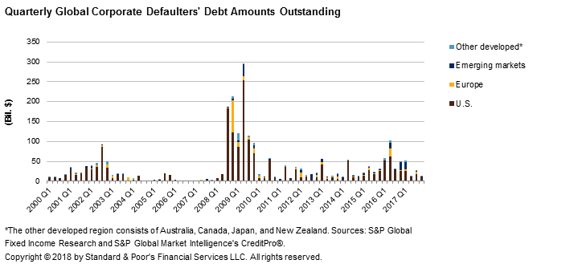
The trailing-12-month and annual default rates have become standard measures, but default rates measured over shorter time frames give a more immediate picture of credit market conditions. Based on quarterly intervals of measurement (nonannualized), default activity contracted across most major regions throughout 2017 (see chart 16). The exception was Europe, which had higher default rates in each quarter of 2017 relative to the same quarter in 2016. The fourth-quarter default rates were 0.67%, 0.84%, 0.64%, and 0.35% for the global, U.S., European,
and emerging markets regions, respectively.

Table 37
Chart 16
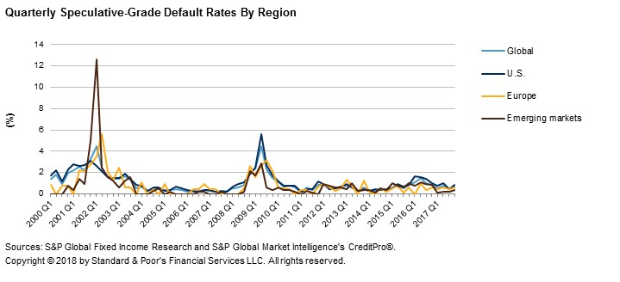
Lower Ratings Are Consistent With Higher Default Vulnerability
On average, there is a negative correlation between the initial rating on a firm and its time to default, if a default occurs. For example, for the entire pool of defaulters in this study (1981-2017), the average times to default for issuers originally rated in the 'A' and 'B' categories were 13.5 years and 4.8 years, respectively, from the initial rating (or from Dec. 31, 1980, the start date of the study), whereas issuers in the 'CCC' rating category or lower had an average time to default of only
2.2 years.
In cases where an issuer emerges from a prior default (including distressed exchanges), we consider it a separate entity, and the original rating is the first after the default event. Table 10 displays the median, average, and standard deviations for the time to default from the original rating. The differences between each rating category's minimum and maximum times to default are in the last column, under "range." Table 11 presents the average and median times to default from each rating category for all subsequent ratings received.
In both cases, the standard deviation of the times to default generally shrinks progressively as the rating gets lower. Broadly speaking, the average and median times to default for each rating category are longer when based on the initial rating than when based on subsequent ratings, particularly for speculative-grade ratings.
Table 10
Time To Default From Original Rating For Global Corporate Defaulters (1981-2017)
Original rating | Default count | Average years from original rating* | Median years from original rating | Standard deviation of years from original rating | Range
AAA | 8 | 18.0 | 18.5 | 11.4 | 23.0
AA | 29 | 15.2 | 14.4 | 8.5 | 27.3

Table 42
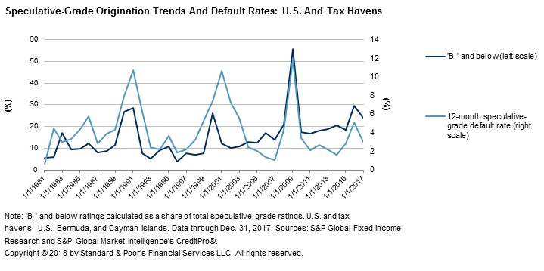
Table 15
Investment-Grade Defaults In The Five-Year 2013 Static Pool (cont.)
Rating
Company | Country Industry | Default date | Rating one year prior to default | three years prior to default | First rating | Date of first rating | Year of default
Istmo Compania de Reaseguros Inc. | Panama Insurance | 12/16/2016 | BBB | BBB | BBB- | 1/31/2007 | 2016
Note: Excludes confidentially rated defaults. Sources: S&P Global Fixed Income Research and S&P Global Market Intelligence's CreditPro®.
Since 1981, the 'B' rating category has accounted for 1,473 defaulters (55.1% of the total, from initial rating), well more than double the number of entities in the 'BB' category (see tables 10 and 12). Given this track record, monitoring the trends of new ratings assigned could prove useful in anticipating future default activity, based on the notion that years characterized by high numbers of new ratings of 'B-' or lower will likely be followed by increased default risk.
Chart 17 plots the proportion of all new speculative-grade ratings of 'B-' or lower in the U.S. against the year-end U.S. speculative-grade default rate. As coincident indicators, the two series generally mirror each other in broad movements throughout most of their shared
history--uncannily so in the 2009 spike in the default rate. However, in most of the relatively benign period since then, the two series have diverged somewhat, as in 2004-2007. The historical parallel picked up again in 2016 following the increasing stress in the energy and natural
resources sector, which was particularly hard felt in the U.S.
Chart 17

Table 44
nonfinancials. The gap becomes even wider over longer time horizons, such as three years and 10
years (see chart 19).
Chart 18
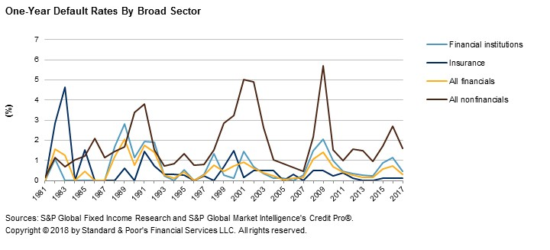
Chart 19
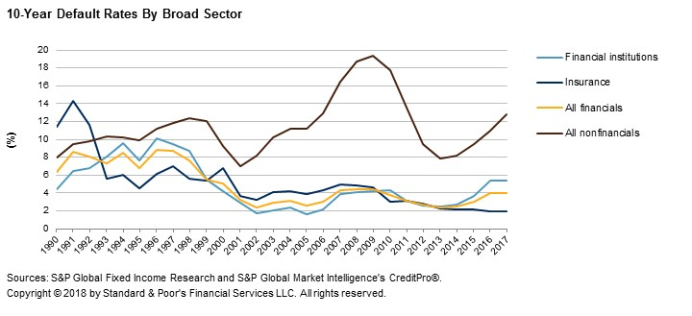
Of the 2,672 defaults recorded globally over the long term, six sectors displayed an average time to
default that was lower than the overall average of 5.8 years. These sectors are energy and natural

Table 48
Chart 20
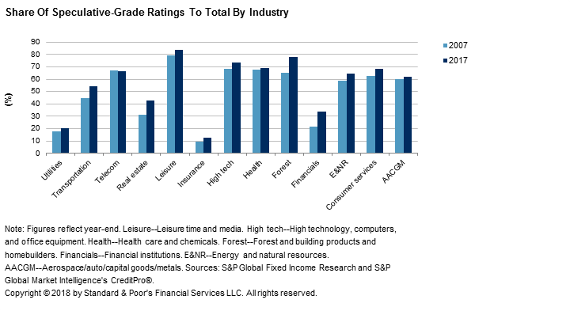
Speculative-Grade Ratings Are Nearly A Global Majority
Historical experience suggests that growth in speculative-grade ratings is usually a precursor to a period of increased defaults. The surge in speculative-grade originations beginning in 2002 in the
U.S. supports this notion (see chart 23). By contrast, speculative-grade rating originations in Europe were more subdued in the prerecession period (see chart 24). This was attributable to much of the leveraged activity having migrated to the private credit estimate market, which is not included in this study or the CreditPro® database.
However, the number of speculative-grade ratings in Europe has grown tremendously since 2009 as a result of a slight increase in the rate of downgrades and a marked increase in the number of initial speculative-grade ratings for new issuers. The number of new issuers assigned speculative-grade ratings in Europe in 2017 was 146, marking the fifth year in a row with more than 100. New issuers with speculative-grade ratings became the majority in Europe in 2010, and the gap has generally only been widening since. With the region moving to promote disintermediation, we expect this gap to persist and perhaps widen further in the coming years. S&P Global Ratings rated 41.7% of European issuers speculative grade as of Dec. 31, 2017, compared with 55.9% of U.S. issuers.
On a trailing-12-month basis, the global speculative-grade default rate peaked at 10.4% in November 2009 (see chart 21). Risk tolerance among lenders has increased (while systemic risk has concurrently decreased) since the global economic and financial downturn, as demonstrated by a marked and sustained increase in the share of new issuers rated speculative grade over the past eight years, which hit a high of 79.3% in 2010.

Table 49
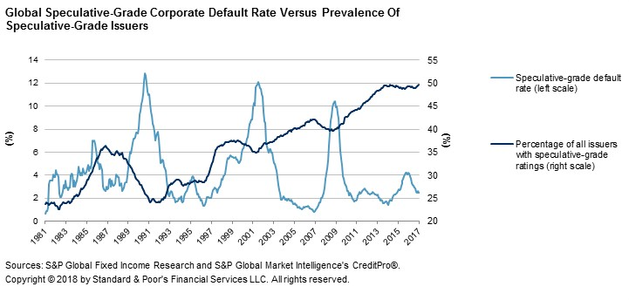
A more difficult lending environment in the second half of 2015 contributed to the lower number of initial speculative-grade issuer ratings that year, but this proportion has rebounded since. In 2017, 632 initial speculative-grade ratings entered our study population, compared with 512 in 2016. New investment-grade issuer ratings, on the other hand, generally held steady over the past
two years, with 172 new issuer ratings in 2017, compared with 175 in 2016.
Chart 21
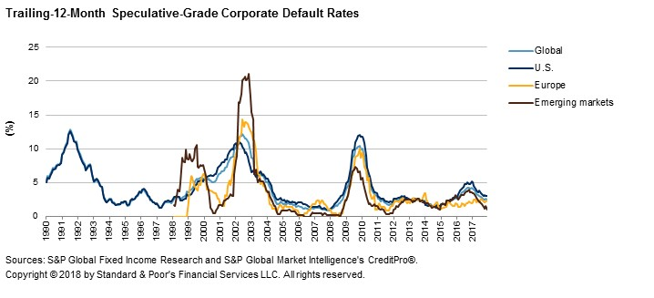
Chart 22

Table 50
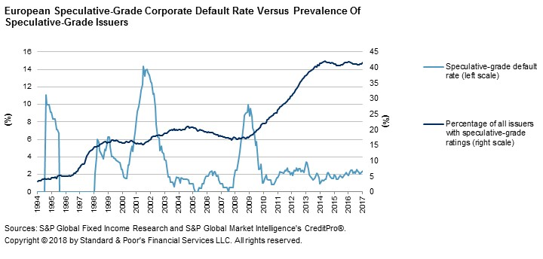
Chart 23
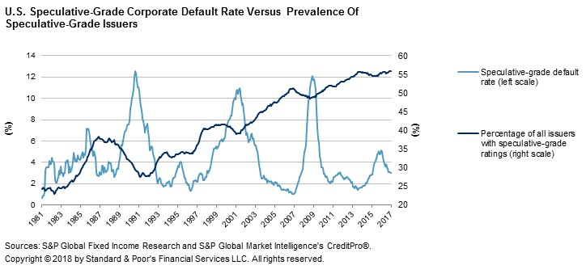
Chart 24

Table 58
Chart 25
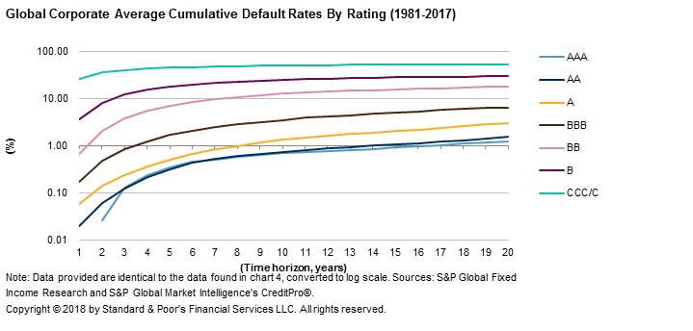
Table 24
Global Corporate Average Cumulative Default Rates (1981-2017)
(%)

--Time horizon (years)--
Rating | 1 | 2 | 3 | 4 | 5 | 6 | 7 | 8 | 9 | 10 | 11 | 12 | 13 | 14 | 15
AAA | 0.00 | 0.03 | 0.13 | 0.24 | 0.35 | 0.46 | 0.51 | 0.60 | 0.65 | 0.71 | 0.74 | 0.77 | 0.80 | 0.86 | 0.93
AA | 0.02 | 0.06 | 0.12 | 0.22 | 0.32 | 0.43 | 0.53 | 0.60 | 0.68 | 0.75 | 0.82 | 0.89 | 0.95 | 1.01 | 1.07
A | 0.06 | 0.14 | 0.24 | 0.37 | 0.51 | 0.66 | 0.85 | 1.01 | 1.17 | 1.34 | 1.50 | 1.64 | 1.79 | 1.93 | 2.09
BBB | 0.17 | 0.49 | 0.84 | 1.26 | 1.70 | 2.13 | 2.50 | 2.87 | 3.23 | 3.58 | 3.94 | 4.24 | 4.52 | 4.81 | 5.11
BB | 0.68 | 2.13 | 3.83 | 5.53 | 7.11 | 8.57 | 9.81 | 10.92 | 11.90 | 12.77 | 13.49 | 14.14 | 14.72 | 15.24 | 15.80
B | 3.59 | 8.25 | 12.26 | 15.44 | 17.88 | 19.88 | 21.48 | 22.76 | 23.90 | 24.95 | 25.84 | 26.53 | 27.15 | 27.75 | 28.34
CCC/C | 26.82 | 36.03 | 41.03 | 43.97 | 46.22 | 47.13 | 48.33 | 49.23 | 50.08 | 50.71 | 51.20 | 51.71 | 52.34 | 52.82 | 52.82
Investment grade | 0.10 | 0.26 | 0.45 | 0.68 | 0.92 | 1.17 | 1.40 | 1.61 | 1.82 | 2.03 | 2.23 | 2.40 | 2.57 | 2.73 | 2.91
Speculative grade | 3.75 | 7.31 | 10.39 | 12.90 | 14.95 | 16.64 | 18.05 | 19.23 | 20.27 | 21.21 | 22.00 | 22.65 | 23.25 | 23.80 | 24.34
All rated | 1.50 | 2.95 | 4.22 | 5.29 | 6.18 | 6.94 | 7.57 | 8.12 | 8.60 | 9.05 | 9.44 | 9.77 | 10.07 | 10.35 | 10.63
Sources: S&P Global Fixed Income Research and S&P Global Market Intelligence's CreditPro®.
The only exceptions occur when the number of defaults is low or when the underlying population of issuers is very small--such as at the rating modifier level among the higher rating categories
(see table 26). Investment-grade-rated issuers seldom default, so the number of defaults among

Table 62
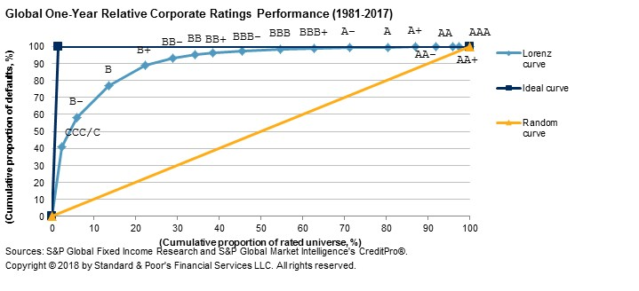
Table 28
Gini Coefficients For Global Corporates By Broad Sector (1981-2017) (cont.)
--Time horizon--
Sector | One-year | Three-year | Five-year | Seven-year
Average | 81.72 | 74.64 | 66.47 | 59.64
Standard deviation | (19.10) | (14.57) | (16.10) | (14.80)
Nonfinancial
Weighted average | 80.85 | 72.73 | 69.65 | 67.85
Average | 84.33 | 76.77 | 72.96 | 70.08
Standard deviation | (6.13) | (5.47) | (5.54) | (5.18)
Note: Numbers in parentheses are standard deviations. Sources: S&P Global Fixed Income Research and S&P Global Market Intelligence's CreditPro®.
Chart 26

Table 63
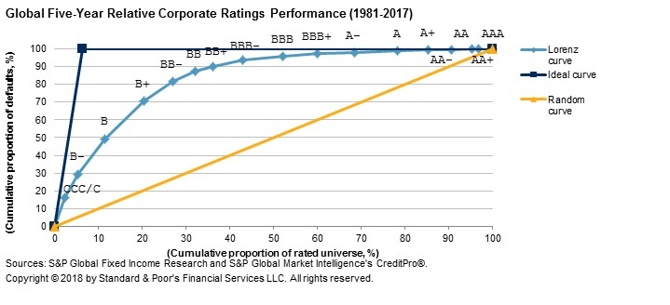
Chart 27
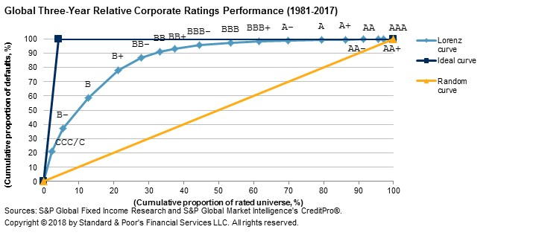
Chart 28

Table 64
Chart 29
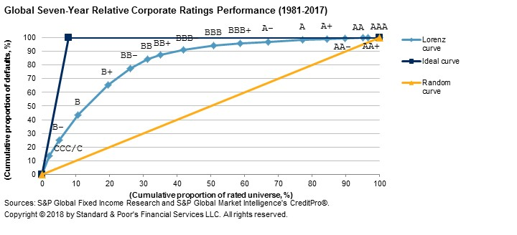
One-year Gini coefficients appear to be broadly cyclical and negatively correlated with default rates (see chart 30). Trends in the one-year Gini ratio emerge during periods of both high and low default rates, which is a reflection of the natural relationship between the two extremes. In periods of high defaults, there tends to be greater variation in the distribution of defaults with regard to prior ratings, which reduces the Gini. That is, when default pressure is high, economic conditions are such that the likelihood of companies from across the rating spectrum suffering a more rapid deterioration of credit quality is higher.
The experience of 2017 generally coincides with this observation. The one-year Gini ratio in 2017 was 92.7, alongside a relatively low default rate of 2.4%. This compares with a Gini of 86.4 and a default rate of 4.2% in 2016.

Table 65
Chart 30
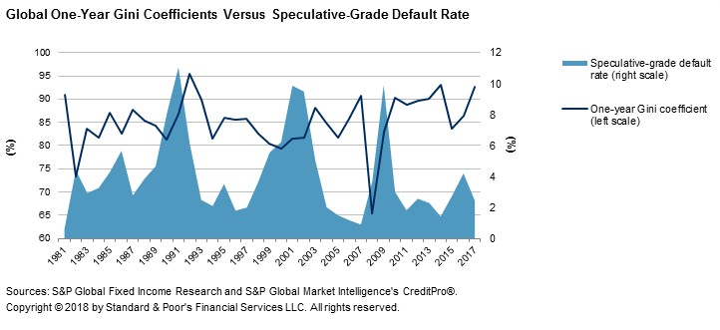
Appendix I: Methodology And Definitions
This long-term corporate default and rating transition study uses the CreditPro database of long-term local currency issuer credit ratings. The analysis excludes public information ("pi")
ratings and ratings based on the guarantee of another company or government entity. We also do not include short-term issuer ratings. S&P Global Ratings does not require all issuers with debt rated to have an issuer credit rating. Therefore, if an issuer has rated debt but not an issuer credit rating, we assign a proxy rating so that the CreditPro corporate dataset accurately represents the complete universe of ratings. The local currency senior unsecured rating is the preferred
debt-level rating used for the proxy because this rating is usually consistent with the issuer credit rating. In a small number of cases, we used the subordinated debt rating or the senior secured rating as the proxy.
An S&P Global Ratings issuer credit rating is a forward-looking opinion about an obligor's overall creditworthiness. This opinion focuses on the obligor's capacity and willingness to meet its financial commitments as they come due. It does not apply to any specific financial obligation because it does not take into account the nature and provisions of any single obligation, its standing in bankruptcy or liquidation, statutory preferences, or the legality and enforceability of the obligation. Counterparty credit ratings, corporate credit ratings, and sovereign credit ratings are all forms of issuer credit ratings. Issuer credit ratings can be either long-term or short-term.
S&P Global Ratings' ongoing enhancement of the database used to generate this study could lead to outcomes that differ to some degree from those reported in previous studies. However, this poses no continuity problem because each study reports statistics back to Dec. 31, 1980.
Therefore, each annual default study is self-contained and effectively supersedes all previous
versions.

Table 89
Chart 31
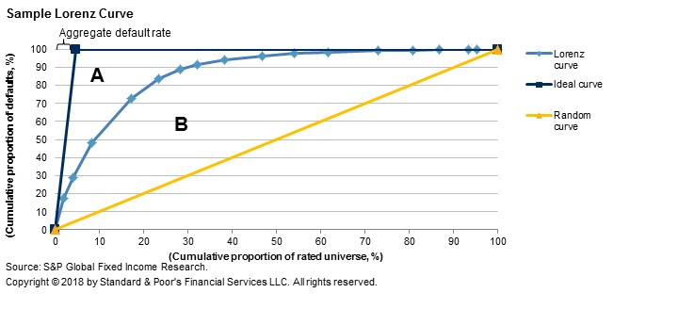
Appendix III: Defaults In Profile
In 2017, 95 companies, including nine confidential issuers, defaulted on US$104.6 billion of debt. This appendix provides summaries of the events leading up to each default and, in some cases, events following the default. We also include each company's defaulting instruments that S&P Global Ratings rates.
Shelf Drilling Holdings Ltd.
- US$75 million floating-rate first-lien bank loan due May 31, 2018
- US$475 million 8.625% callable notes due Nov. 1, 2018
- US$160 million floating-rate revolving credit facility bank loan due April 30, 2020
- US$350 million bank loan due Oct. 8, 2018
On Jan. 11, 2017, S&P Global Ratings lowered its long-term corporate credit rating on Dubai-headquartered oilfield services company Shelf Drilling Holdings Ltd. (SDHL) to 'SD' (selective default) from 'CC'. The downgrade followed the issuer's announcement that it had
completed the exchange of 93.6% of its $475 million outstanding senior secured notes for new notes due 2020. The company also exchanged a $350 million term loan for cash, preferred shares, and new notes due 2020. S&P Global Ratings views these transactions as tantamount to default.
On Jan. 18, 2017, we raised the long-term corporate credit rating on SDHL to 'B-' from 'SD' after the completion and settlement of the voluntary exchange offer, through which the issuer resized and reduced its debt burden and improved its capital structure.

